ART
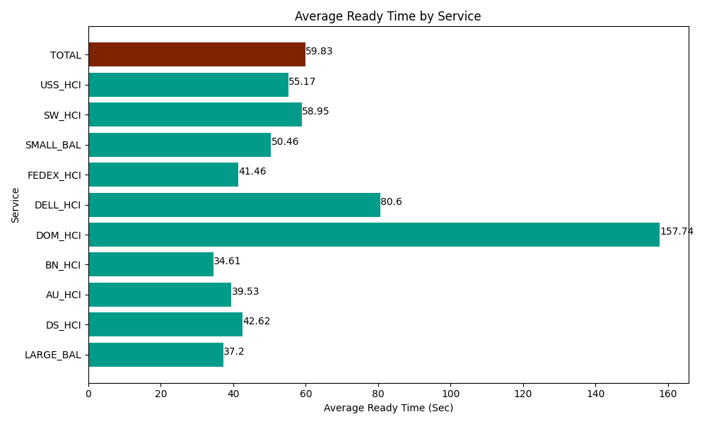
Date | Service | Successful Op Transfer | In Call (Sec) | Ready (Sec) | Wrapup (Sec) | Not Ready (Sec) | Average Ready Time (Sec)
04-12-2024 | LARGE_BAL | 4 | 136.19999886 | 148.80000114 | 307.80000687 | 41.999999285 | 37.2
04-12-2024 | DS_HCI | 771 | 39955.799561 | 32862.000732 | 66589.797363 | 77296.201172 | 42.62
04-12-2024 | AU_HCI | 228 | 19062.000732 | 9011.9998169 | 23852.999268 | 20715 | 39.53
04-12-2024 | BN_HCI | 1044 | 57672.000732 | 36127.800293 | 131380.7959 | 48320.998535 | 34.61
04-12-2024 | DOM_HCI | 31 | 2014.1999817 | 4890 | 2719.1999817 | 85.199997425 | 157.74
04-12-2024 | DELL_HCI | 63 | 6304.8001099 | 5077.7998352 | 12169.200439 | 1800 | 80.6
04-12-2024 | FEDEX_HCI | 83 | 9461.9998169 | 3440.9999084 | 5461.1997986 | 14407.800293 | 41.46
04-12-2024 | SMALL_BAL | 174 | 10582.199707 | 8779.2004395 | 29449.200439 | 17926.799927 | 50.46
04-12-2024 | SW_HCI | 150 | 6439.8001099 | 8842.800293 | 12400.799561 | 11218.200073 | 58.95
04-12-2024 | USS_HCI | 125 | 21151.199341 | 6895.8000183 | 18237.000732 | 3547.1999359 | 55.17
 | TOTAL | 2673 | 172780.20009 | 116077.20134 | 302567.99349 | 195359.39993 | 59.83

